1. Title Page
Instacart Grocery Basket Analysis

Project Name: Instacart Grocery Basket Analysis
Date: August 2nd, 2021
Analyst Name: Gary Hughes

Contents:
Population Flow
Consistency checks
Wrangling steps
Column derivations
Visualizations
Recommendations

Citation: “The Instacart Online Grocery Shopping Dataset 2017”, Accessed from https://www.instacart.com/datasets/grocery-shopping-2017 on <May 5th 2021>.

2. Population Flow
 |  |  | Instacart Grocery Basket Analysis

Population flow

Exclusion flag
Condition: max_order <
Obervations to be removed:
Final total count of order_products_all:

Orders_products_combined
Orders_products_merged
Orders_products_all

Total:
Total:
Total:
32434489 | 32435059 | 32435059

1.) The grey boxes in the first row of the population flow represent the original data sets as they were when you downloaded them. In the Total fields you need to add the count of the rows when you imported the data set into Jupyter.
2.) The second row of boxes (coloured) represents the data sets after you manipulated them, e.g., removed missing values and duplicates. In the Total fields you need to add the count of the rows after conducting these operations. This offers a visual oveview of how the data flows throughout the data consistency checks.
3.) The third row, where also the arrows are coloured, represents the merges you performed between the datasets. In the Total fields you need to add the count of the rows in the merged datasets, so that you end up with the final dataset (in the red box). Keep in mind the final dataset should be without exclusions (based on the exclusion flag).

3. Consistency checks
 |  |  |  | Instacart Grocery Basket Analysis
Consistency checks

Dataset | Missing values | Missing values treatment | Duplicates
orders | days_since_prior_order-206209 values | Filled with mean | 0
products | product_name-16 values | Dropped missing values | 5
orders_products_prior | 0 | 0 | 0
customers | first_name-11259 values | Dropped missing values | 0

4. Wrangling steps
 |  |  |  |  | Instacart Grocery Basket Analysis
Wrangling steps

Data Set | Columns dropped | Columns renamed | Columns' type changed | Comment/Reason
orders.csv |  | order_dow | orders_day_of_week | Makes it easier to understand
orders/products combined | Unnamed:0 |  |  | Unnecessary
orders.csv | eval_set |  |  | Unnecessary
customer.csv |  | First Name | first_name
customer.csv |  | Surnam | last_name
customer.csv |  | Gender | gender
customer.csv |  | STATE | state
customer.csv |  | Age | age
orders/products all | first_name & last_name |  |  | Confidentiality

5. Column derivations
 |  |  |  | Instacart Grocery Basket Analysis

Column derivations and aggregations

In this tab you should add tables below that the frequences of flags/label variables that you produced after deriving them. NB: don't do this for continuous variables, only for flags.
Dataset | New column | Column/s it was derived from | Conditions
ords_prods_merge | loyalty_flag | max_orders | if max_orders > 40 = 'loyal customer'; max_orders <= 40 = 'regular customer'; max_orders <= 10 = 'new customer'
ords_prods_merge | spender_flag | mean_order | mean_order < 10 = 'low spender'; mean_order >= 10 = 'high spender'
ords_prods_merge | order_frequency_flag | frequency | frequency > 20 = 'non-frequent customer'; freq. > 10 = 'regular customer'; freq. <= 10 = 'frequent customer'

6. Visualizations
Instacart Grocery Basket Analysis

Visualisations

In this tab you should include all the visualtions from Exercises 4.9 and 4.10, alongside the questions from the project brief that they answer. Include any commentary on the relationship between different variables.

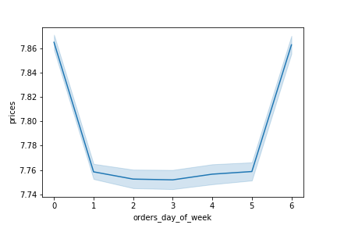

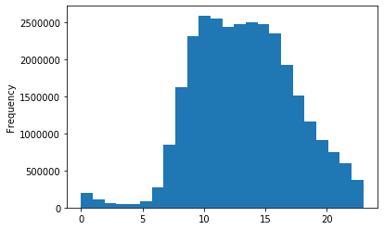
 | Left Chart: The day of the week when most money is spent. Saturday & Friday while Wednesday is the least.

 | Right Chart: The time of the day when most orders are placed. 10am seems to be the busiest.

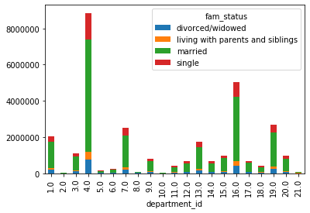
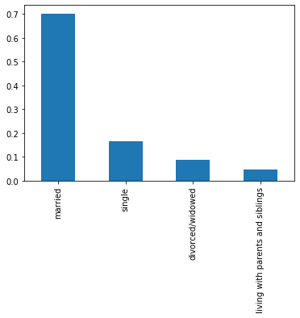
 | Left Chart: Family status as well as which items they purchase the most

 | Right Chart: Family status and their spending impact.

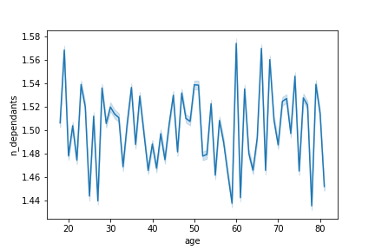

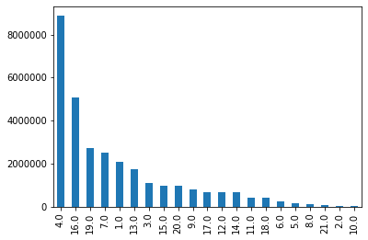
 | Left Chart: Shows which items are the most popular

 | Right Chart: Show the age of people with a number of dependents

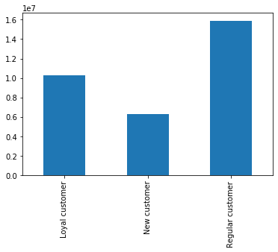
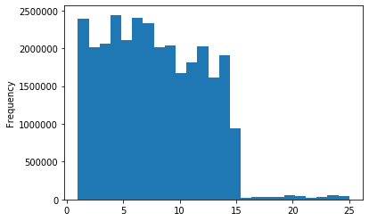
 | Left Chart: Shows the customers loyalty

 | Right Chart: Price range for items on instacart

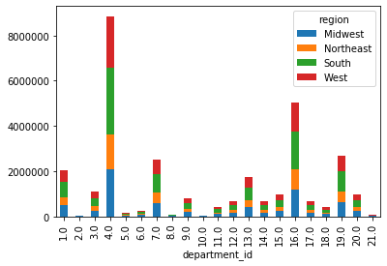
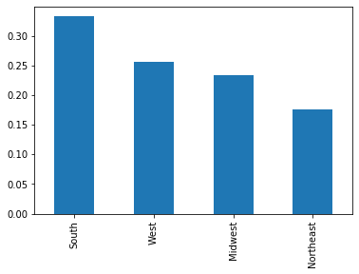
 | Left Chart: Regions spending habits on certain items.

 | Rigth Chart: Which regions spends the most

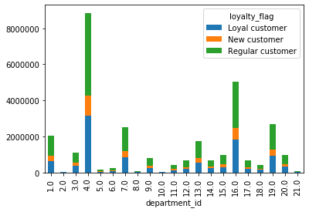
 | Chart: Shows loyal customer's spending habits

7. Recommendations
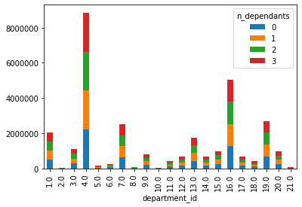
 |  | Instacart Grocery Basket Analysis

Recommendations

In this tab you should include any recommendations you would made to Instcart in terms of their marketing strategy based on the questions posed in the brief. Every key question has been covered in the Tasks of the Exercises - here you need to add an item - a visualisation or table/crosstable that is showing the answer in the data, acompanied by a comment from you. Please, list the questions below and add the answer underneath.

Question | Answer |  | Recommendation
What are the busiest days of the week and hours of the day? | The busiest days of the week are Friday and Saturday. The busiest hours of the day are 10am. |  | I would suggest running ads throughout the weekdays before 10am and after 4pm.

Question | Answer |  | Recommendation
Instacart has a lot of products with different price tags. Marketing and sales want to use simpler price range groupings to help direct their efforts. | This chart shows that majority of items range between 0$ to 15$ while there are fewer items that are between 15$ to 25$. |  | Increase the availability for items that range between 15$ to 25$.

Question | Answer |  | Recommendation
Are there certain types of products that are more popular than others? | Department_id 4 seems to be the most popular which is produce. The least amount is bulk. |  | If produce is bringing in most of the profits then I would focus on putting other categories in the customer's focus

Question | Answer |  | Recommendation
What’s the distribution among users in regards to their brand loyalty | There are more regular customer than loyal/new customers. The loyal customers return around the 7th day/ every week. |  | Many customers return every week though some are taking as long as 30 days to return so maybe sending out surveys to see what they liked/disliked about the service

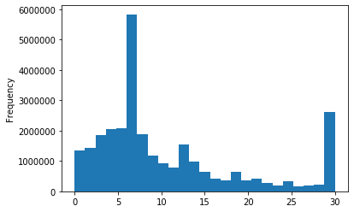

Question | Answer |  | Recommendation
Are there differences in ordering habits based on a customer’s loyalty status? | Majority of the loyal customer's spending habits lie within purchasing produce. |  | As suggested earlier, more ads can go out for other departments to boost their sales.

Question | Answer |  | Recommendation
Are there differences in ordering habits based on a customer’s region? | The south region spends the most out of all regions. Most of their spendings are focused on produce. |  | Try to focus more ads in the midwest and northeast to bring more customers in.

Question | Answer |  | Recommendation
Is there a connection between age and family status in terms of ordering habits? | There isn't a connection between the two as far as spending habit. Though, we see that married couples spend more. |  | Figure out a ad campaign that caters to single people so that those sales can increase.

Question | Answer
What different classifications does the demographic information suggest? Age? Income? Certain types of goods? Family status? | Married couples is the target audience that spends a lot and produce is the top department people purchase.

Question | Answer
What differences can you find in ordering habits of different customer profiles? Consider the price of orders, the frequency of orders, the products customers are ordering, and anything else you can think of. | People with dependants and married are the top spenders on this app. Families are the main targets for this app.

